3D programming_Work NC
 |  | STANDARD OPERATING PROCEDURE |  |  | Document no. |  |  |  |  |  | Page No-1/1
 |  |  |  |  | Prepared by |  | DHIRAJ/VINAY/AVINASH |  |  | Section | PROTO FABRICATION
 |  |  |  |  | Checked by |  | Vishnu Agnihotri |  |  | Date | 1.04.2020
 |  |  |  |  | Approved by |  |  |  |  | Revision | 00
SOP :-WORK NC 3D PROGRAMMING
S.NO. | What to Do? | How to Do? | Check Point |  |  | Photo-Graph / Sketch
1 | Open the CAD data file | In Catia software

2 | Save the single file for single block in IGS format | 1. Against with the tool hide and show, hide and show the block. | Not required all blocks are to be hidden

3 | Save individual item in IGS format in destination folder | By Following the below-mentioned path Fabrication_ Project_CNC machining_Project name_Proto request | Confimed saved data at location

4 | Open work NC | Open work NC software from the system

5 | Select option for open CAD data | Open saved IGS file from saved folder | Requied file opened or not

6 | Set the UGS point for the considering solid block | 1.UGS option is to be select 2.3 point UGS is to set 3.X,y,z Axis point can select for UGS point slection | 1.UGS point are kept where we have required 2.Control+T for TOP view 3.Check X,Y,Z dimentions

1 | UGS can be locked and transferred to the needed point as we required | Select user Block and transfer UGS point

2 | Plug all holes are available on block surface | 1.Using Surfcae tool 2.Select the surface where holes are to be plug 3.Right click and plug the hole | Pluged hole colur will be changed,that can show hole plugged or not

3 | Save the work NC file | By Following the below-mentioned path Fabrication_ Project_CNC machining_Project name_Proto request (same work file path as IGS file saved ) | Confimed saved data at location

4 | Select the block while saving data | Control + A and Right click | Select the surface where machining is to be done

5 | Select the block Option | Available Option Solid Block User Block CAD file | We using Solid Block for Fabrication Fixtures block,Die and Punches.

6 | Active the roughing parameter | Select the Roughing Parameter option for Machining | Activated or Not activated is to be check.

1 | Enter the Programme Input | NC PROGRAMMER-Name of the Programmer Job ID-Proto request number | Entered Details are correct

2 | Open in Work Zone | 1.After entering above details and saving | Select Option Automatic

3 | Select the New Tool path | Right Click new tool path in Work zone

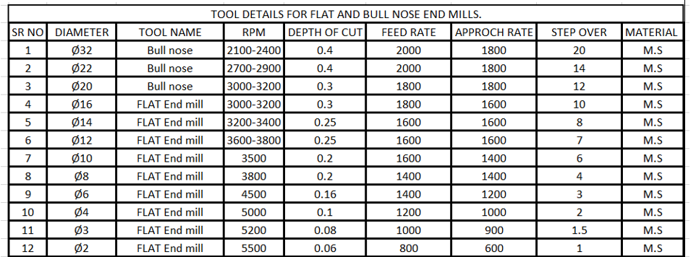
4 | Tool Path for machining operation | We uses A) Global roughing B) Z level surface finishing C) Counter re-machining | 1.Which operation is to Performed

5 | Global roughing | Bull nose type cutter are uses for global roughing bull nose dia-32 and dia-22 with radius 0.8mm | 1.Tool Diamter and Radius 2.Tool Holder and tool Height

6 | Global roughing and counter re-machining | Flat end cutter dia-12,18,8,6,4,3,2 | 1.Tool Diamter and Radius 2.Tool Holder and tool Height

1 | Z level surface machining | We are using ball end cutter for Z level surface machining. Ball end dia-16,12,10,8,6,4,3,2 we uses for these operation

2 | Postprocess the program | Select the option of Postprocess and Postprocess the Programe | Select the Machine for which Postprocess the Programme.

3 | check the dimension like circle | using analysis tool. X,Y,Z dimention will be displayed | Hole Centre is to be selected

4 | Print the process sheet | Generate HTML document Print HTML document with selecting printer | Check tool holder and Stock

5 | Print drawing for 2D operation | mentioning 2D operation details Mention references and block sizes | Any 2D operation is missed

6 | Programme transfer from System to Machine | Copy Programme file and Paste it in machine shortcut. Machine folder+3d machining+Project number | Confimed saved data at location

6 | TNC Software | Select mahine(Connect machine) Select Programme File Transfer to MC | Confirm file transfer on Machine

Tooling Detail/Software use |  | Safety Instructions and PPE |  | Reaction Plan |  |  |  | Change History
CATIA |  |  |  |  |  |  |  | Sr.No | Date | Description |  | Rev No
WORK NC

